Predicted for FRB
Queensferry Crossing Opening Events Period
Predicted FRB traffic for 30th August to 12th September based on actual counts 1st Aug to 29th Aug after applying monthly and daily typical variations from historical data.

Key:
Actuals - from FRB WIM site counter
Actuals from 7th to 13th August - used previously as baseline for comparison.
Predicted - from extrapolation of actuals earlier in August utilising historic data from previous years to take account of average profile through August and September as well as applying average daily variation through the week.

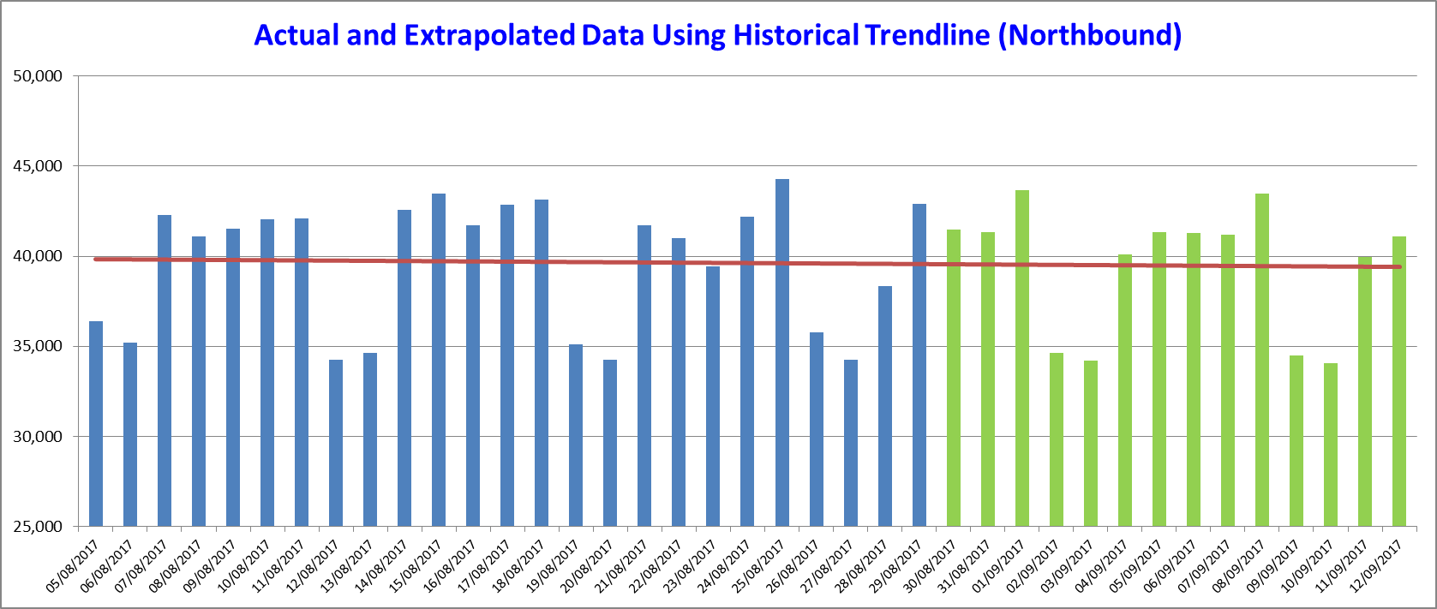
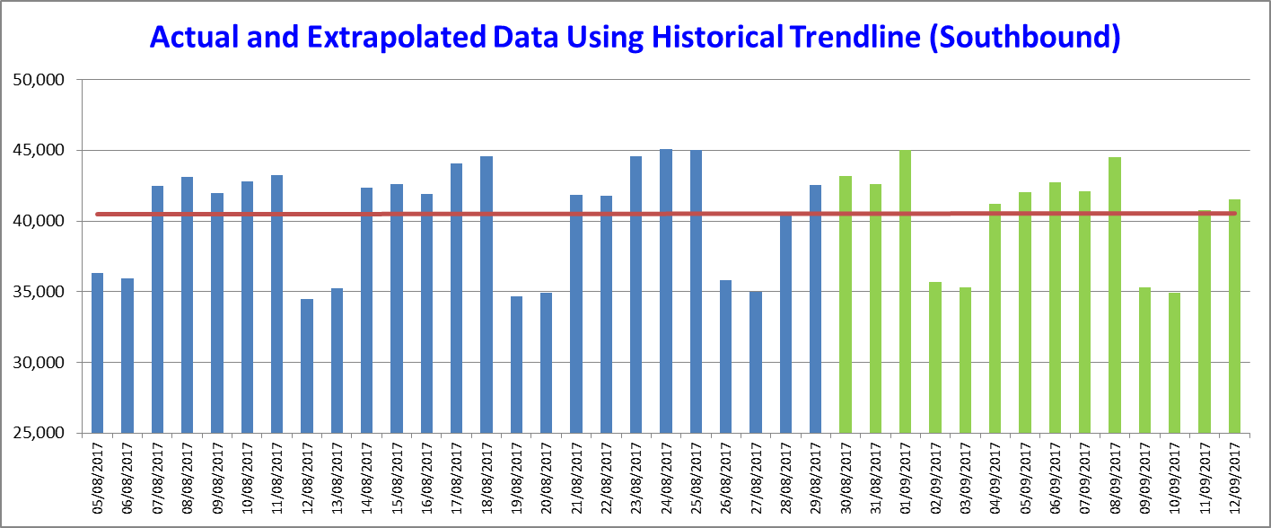
Date | Comment | 11 N - FRB (northbound) | 11 S - FRB (southbound)
Tuesday 1st August | Normal conditions other than 40mph TM | 42,148 | 41,282
Wednesday 2nd August | Normal conditions other than 40mph TM | 41,335 | 43,393
Thursday 3rd August | Normal conditions other than 40mph TM | 41,395 | 44,049
Friday 4th August | Normal conditions other than 40mph TM | 43,194 | 43,578
Saturday 5th August | Normal conditions other than 40mph TM | 36,390 | 36,345
Sunday 6th August | Normal conditions other than 40mph TM | 35,188 | 35,949
Monday 7th August | Normal conditions other than 40mph TM | 42,292 | 42,480
Tuesday 8th August | Normal conditions other than 40mph TM | 41,096 | 43,148
Wednesday 9th August | Normal conditions other than 40mph TM | 41,518 | 41,989
Thursday 10th August | Normal conditions other than 40mph TM | 42,042 | 42,777
Friday 11th August | Normal conditions other than 40mph TM | 42,097 | 43,229
Saturday 12th August | Normal conditions other than 40mph TM | 34,259 | 34,488
Sunday 13th August | Normal conditions other than 40mph TM | 34,662 | 35,276
Monday 14th August | Normal conditions other than 40mph TM | 42,591 | 42,336
Tuesday 15th August | Normal conditions other than 40mph TM | 43,454 | 42,643
Wednesday 16th August | Normal conditions other than 40mph TM | 41,722 | 41,917
Thursday 17th August | Normal conditions other than 40mph TM | 42,875 | 44,056
Friday 18th August | Normal conditions other than 40mph TM | 43,139 | 44,608
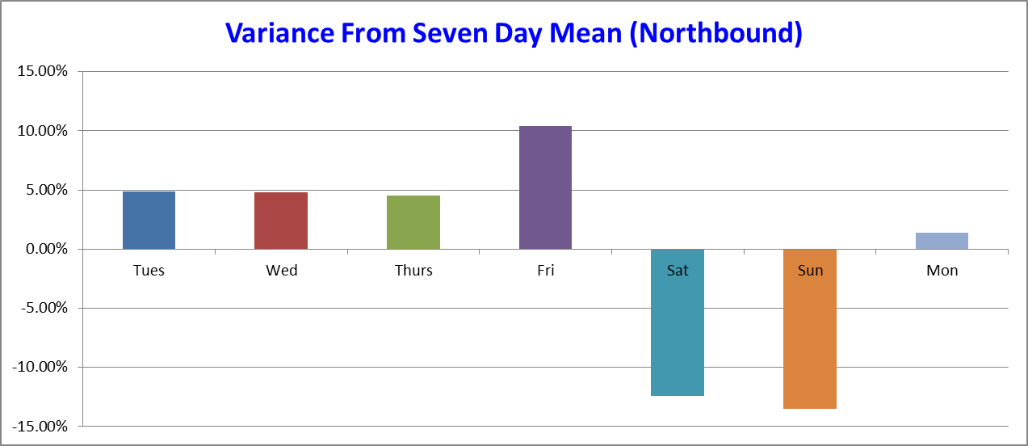
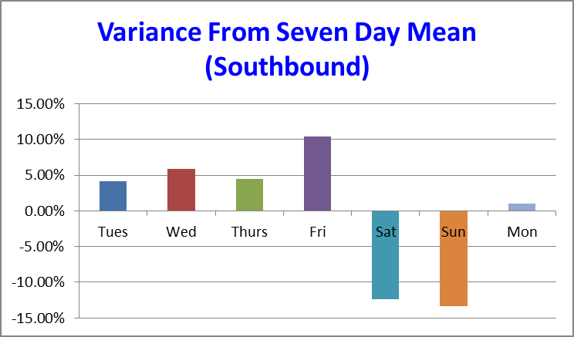
Saturday 19th August | Normal conditions other than 40mph TM | 35,117 | 34,689
Sunday 20th August | Normal conditions other than 40mph TM | 34,239 | 34,947
Monday 21st August | Normal conditions other than 40mph TM | 41,739 | 41,826
Tuesday 22nd August | Normal conditions other than 40mph TM | 41,026 | 41,781
Wednesday 23rd August | Normal conditions other than 40mph TM | 39,450 | 44,552
Thursday 24th August | Normal conditions other than 40mph TM | 42,186 | 45,102
Friday 25th August | Normal conditions other than 40mph TM | 44,301 | 45,037
Saturday 26th August | Normal conditions other than 40mph TM | 35,795 | 35,800
Sunday 27th August | Normal conditions other than 40mph TM | 34,267 | 35,018
Monday 28th August | Normal conditions other than 40mph TM | 38,338 | 40,519
Tuesday 29th August | Normal conditions other than 40mph TM | 41,526 | 42,047
Wednesday 30th August | Traffic switched to QC (FRB closed) | 41,485 | 43,183
Thursday 31st August | Traffic over QC (FRB closed) | 41,356 | 42,581
Friday 1st September | Traffic Switched to FRB (QC closed) | 43,688 | 45,002
Saturday 2nd September | Traffic over FRB (Public event - Walk over QC) | 34,655 | 35,714
Sunday 3rd September | Traffic over FRB (Public event - Walk over QC) | 34,220 | 35,316
Monday 4th September | Traffic over FRB (Formal Opening of QC) | 40,126 | 41,185
Tuesday 5th September | Traffic over FRB (QC Public event - locals) | 41,315 | 42,018
Wednesday 6th September | Traffic over FRB (QC closed - Buffer day) | 41,304 | 42,716
Thursday 7th September | Traffic switched to QC (FRB closed) | 41,176 | 42,121
Friday 8th September | Traffic over QC (FRB closed) | 43,498 | 44,516
Saturday 9th September | Traffic over QC (FRB closed) | 34,504 | 35,328
Sunday 10th September | Traffic over QC (FRB closed) | 34,071 | 34,934
Monday 11th September | Traffic over QC (FRB closed) | 39,951 | 40,740

Key:
Actuals - from FRB WIM site counter
Actuals from 7th to 13th August - used previously as baseline for comparison.
Predicted - from extrapolation of actuals earlier in August utilising historic data from previous years to take account of average profile through August and September as well as applying average daily variation through the week.

